State Transition Diagram
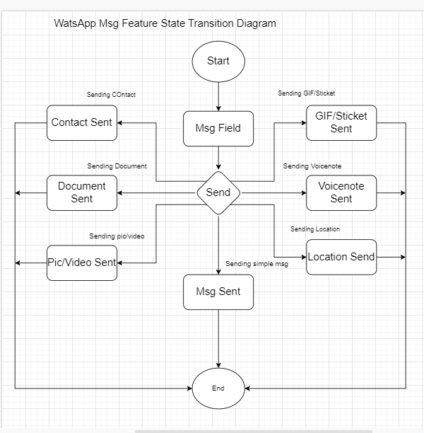

State Transition Diagram of the WatsApp Chat Field

